Sheet1
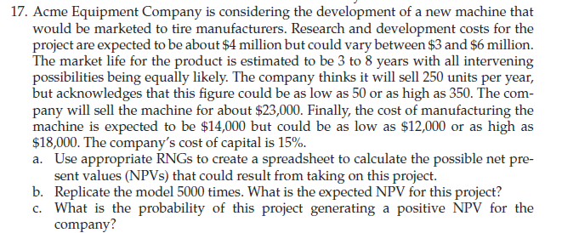
 |  |  |  |  |  | R&D cost | $4 | Min | $3 | Max | $6
 |  |  |  |  |  | Life |  | Min | 3 years | Max | 8 years
 |  |  |  |  |  | Sale |  | Min | 50 | Max | 350

 |  |  |  |  |  | Manufacturing cost |  | Min | 12000 | Max | 18000

 |  | Minimum | Likely | Maximum
R&D Cost | $4,577,261.21 | $3,000,000.00 | $4,000,000.00 | $6,000,000.00 | Triangular
Market Life | 7.6008822762 | 3 |  | 8 | Uniform
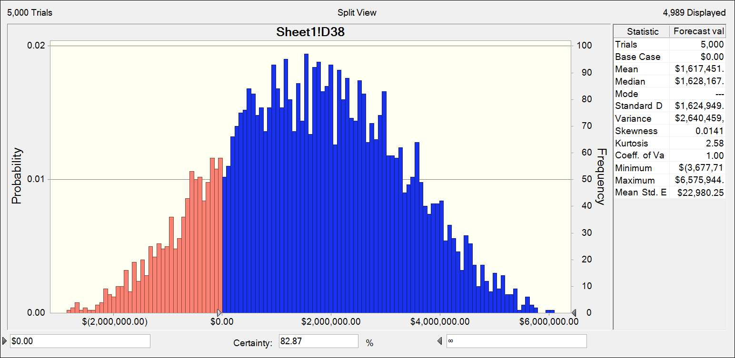
Sales Quantity | 0 | 50 | 250 | 350 | Triangular
Cost of Manufacturing | 0 | $12,000.00 | $14,000.00 | $18,000.00 | Triangular
Selling Price |  | $23,000.00
Cost of Capital |  | 15%

year | Sales no. | Cost of Manufacturing | Selling price | profit | cash flow
0 |  |  |  |  | $(4,577,261.21)
1 | 162.42545462 | 14260.624755 | $3,735,785.46 | 1419496.9973 | $1,419,497.00
2 | 289.85097226 | 13687.28954 | 6666572.3619 | 2699298.1812 | $2,699,298.18
3 | 305.71632093 | 16782.385071 | 7031475.3813 | 1900826.3611 | $1,900,826.36
4 | 249.93609303 | 12679.843992 | 5748530.1397 | 2579379.4722 | $2,579,379.47
5 | 232.39295939 | 14416.780652 | 5345038.066 | 1994679.7454 | $1,994,679.75
6 | 188.15514234 | 14271.676612 | 4327568.2739 | 1642278.9295 | $1,642,278.93
7 | 236.60948144 | 14562.886396 | 5442018.073 | 1996301.0746 | $1,996,301.07
8 | 177.60837899 | 15295.352713 | 4084992.7168 | 1368409.9153 | $1,368,409.92

NPV | $4,322,264.02 |  | $3,874,928.39 | NPV ~3-yrs

